Yanshen-table
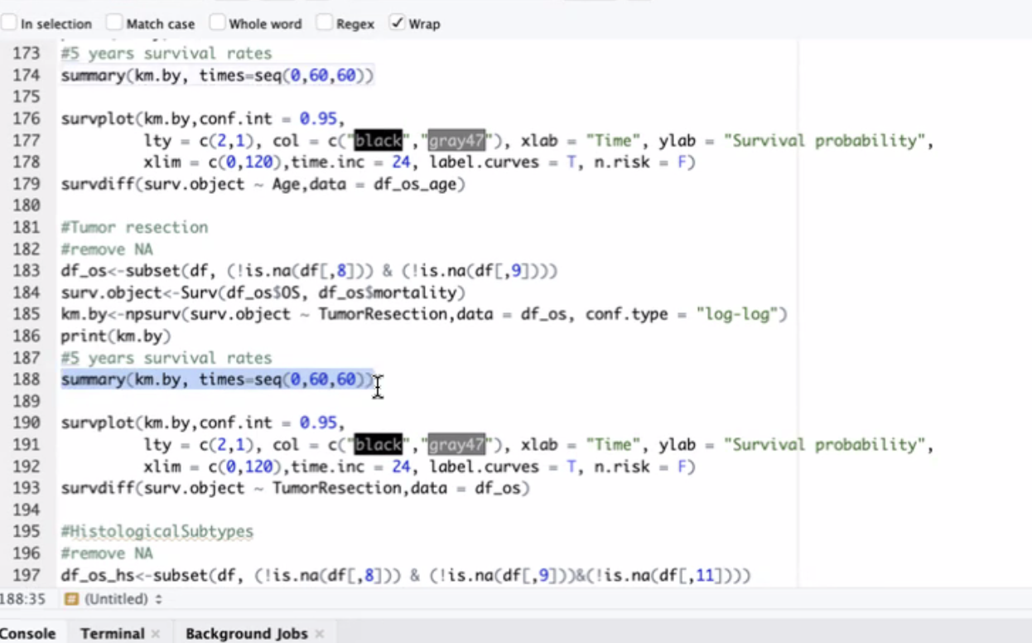
 |  | East Asia=Geographical Location | North America=Geographical Location | p | test | SMD
Number of subjects |  | 761 | 131
Race (%) | Asian | 761 (100.0) | 5 ( 3.8) | <0.001 | Chi-square
 | Black or African American | 0 ( 0.0) | 5 ( 3.8)
 | White | 0 ( 0.0) | 82 (62.6)
 | Other or Not Reported | 0 ( 0.0) | 39 (29.8)
Age (mean (SD)) |  | 9.38 (7.41) | 8.73 (6.34) | 0.345 | t
Age (median (range)) |  | 8.000(5.0, 11.0) | 7.650(4.6, 11.2) | 0.585 | MannWhitney
Sex (%) | M | 495 ( 65.0) | 86 (65.6) | 0.894 | Chi-square
 | F | 266 ( 35.0) | 45 (34.4)
Molecular_Subtypes (%) | WNT | 116 | 9 ( 6.9) | 0.0218 | Chi-square
 | SHH | 216 | 35 | <0.001 | Chi-square
 | SHH TP53- | 138 | 11
 | SHH TP53+ | 57 | 2
 | Not subclassified | 21 | 22
 | non-WNT/non-SHH | 429 | 87 | 0.0129 | Chi-square
 | Group 3 | 83 | 21
 | Group 4 | 314 | 52
 | Not subclassified (nonWNT/nonSHH) | 32 | 14
Histological_Subtypes (%) | Classic | 508(66.75) | 21(16.03) | <0.001 | Chi-square
 | DN | 149(19.58) | 5(3.82)
 | LCA | 27(3.55) | 8(6.11)
 | MBEN | 34(4.47) | 0(0.00)
 | Unknown | 43(5.65) | 97(74.05)
Hydrocephalus_before_Surgery (%) | Y | 628 ( 82.5) | 57 (43.5) | <0.001 | Chi-square
 | N | 133 ( 17.5) | 74 (56.5)
 | Unknown | 0 ( 0.0) | 0 ( 0.0)
Tumor_Texture (%) | Hard | 123(16.16) | 3(2.29) | <0.001 | Chi-square
 | Mixed | 156(20.50) | 2(1.53)
 | Soft | 466(61.24) | 5(3.82)
 | Unkown | 16(2.10) | 121(92.37)
Fourth_ventricle_infiltration (%) | Y | 559(73.46) | 75(57.25) | <0.001 | Chi-square
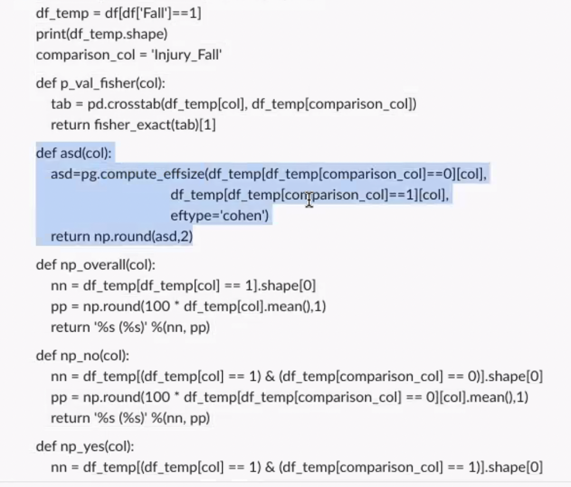
 | N | 93(12.22) | 53(40.46)
 | Unknown | 109(14.32) | 3(2.29)
Survival_status (%) | Alive | 611 ( 80.3) | 100 (76.3) | 0.299 | Chi-square
 | Decease | 150 ( 19.7) | 31 (23.7)
Radiotherapy (%) | Y | 622(81.73) | 35(26.72) | <0.001 | Chi-square
 | N | 80(10.51) | 4(3.05)
 | Unknown | 59(7.75) | 92(70.23)
Chemotherapy (%) | N | 102(13.40) | 3(2.29) | <0.001 | Chi-square
 | Y | 594(78.06) | 36(27.48)
 | Unknown | 65(8.54) | 92(70.23)
TumorResection (%) | GTR | 412(54.14) | 42(32.06) | <0.001 | Chi-square
 | NTR | 290(38.11) | 20(15.27)
 | STR | 41(5.39) | 19(14.50)
 | Unknown | 18(2.37) | 50(38.17)
Leptomeningeal_Dissemination (%) | N | 666(87.52) | 64(48.85) | <0.001 | Chi-square
 | Y | 95(12.48) | 24(18.32)
 | Unknown | 0(0.00) | 43(32.82)
Recurrence_label (%) | N | 561(73.72) | 81(61.83) | <0.001 | Chi-square
 | Y | 142(18.66) | 49(37.40)
 | Unknown | 58(7.62) | 1(0.76)
Recurrence_label (%)* impute | N
 | Y
OS-impute (mean (SD)) |  | 25.52 (19.79) | 50.92 (38.19) | <0.001 | t

DFS-impute (mean (SD)) |  | 22.99(19.96) | 40.81(31.51) | <0.001 | t
median follow-up

Instruction
* p-value will be only calculated using the complete data for each category, let us do not use unkown category in calculating p-value for each variable
*SMD has a separate package in R; SMD the higher the more different; we can use pingouin.compute_effsize function to calculate SMD (as screenshot in the right)
*Chi-square testing with Continuity correction , please try to set the Continuity correction label of the function you use to be YES, when calculating P-value
*For recurrence, let us provide both recurrence-label_raw & recurrence-impute
*For extent of tumor resection, let us exclude the information of tumor resection from cohort#2 (which might be inaccurate), and refill the table
*Can we go a step further to try to calculate the median follow-up month for east Asia and North Amerca group (please feel free to play around the kaplan meier function as below which provides median folow up info.; R language)

